Sheet1
Rideview Strep A Guide

To determine which order code and proper collection:
 |  | 1) Find your location
 |  | 2) Follow horizontally to see which test is performed along with the order code
 |  | 3) See which collection supplies are needed

Location | Includes | Testing Performed | EPIC Order Codes | Collection Supplies | Notes
Arlington Campus | Arlington ER, UC, Hospital, and Clinic | Molecular PCR Strep only | LABSTREPA | eswab | PCR testing performed 24/7
Gaylord Clinic |  | Rapid Strep with reflex | LAB6036 | eswab + sterile swab | PCR testing will go to Arlington Lab
Henderson Clinic |  | Rapid Strep with reflex | LAB6036 | eswab + sterile swab | PCR testing will go to Arlington Lab
Winthrop Clinic |  | Rapid Strep with reflex | LAB6036 | eswab + sterile swab | PCR testing will go to Arlington Lab
LeSueur Campus | LeSueur ER, UC, Hospital, and Clinic | Rapid Strep with reflex | LAB6036 | eswab + sterile swab | PCR testing performed during staffed hours
Waconia Campus | Ridgeview Medical Center ER, UC, Hospital, and Ridgeview Professional Building | Molecular PCR Strep only | LABSTREPA | eswab | PCR testing performed 24/7
Two Twelve Campus | Two Twelve ER, UC, Orthepedic Institute, and Chaska Clinic | Molecular PCR Strep only | LABSTREPA | eswab | PCR testing performed 24/7
Belle Plaine Clinic and UC |  | Rapid Strep with reflex | LAB6036 | eswab + sterile swab | PCR testing will go to TTMC Lab
Chanhassen Clinic and UC |  | Rapid Strep with reflex | LAB6036 | eswab + sterile swab | PCR testing will go to TTMC Lab
Delano Clinic and UC |  | Rapid Strep with reflex | LAB6036 | eswab + sterile swab | PCR testing will go to TTMC Lab
Excelsior Clinic |  | Rapid Strep with reflex | LAB6036 | eswab + sterile swab | PCR testing will go to TTMC Lab
Westonka Clinic |  | Rapid Strep with reflex | LAB6036 | eswab + sterile swab | PCR testing will go to TTMC Lab
Winsted Clinic |  | Rapid Strep with reflex | LAB6036 | eswab + sterile swab | PCR testing will go to TTMC Lab

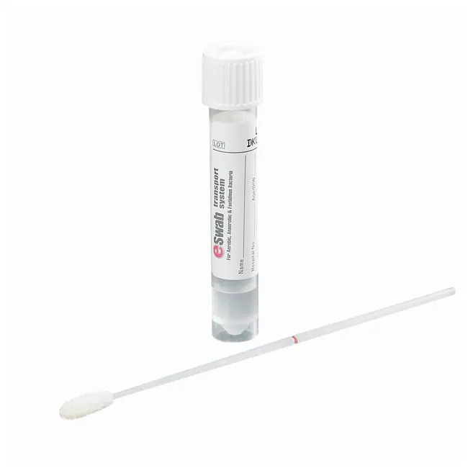
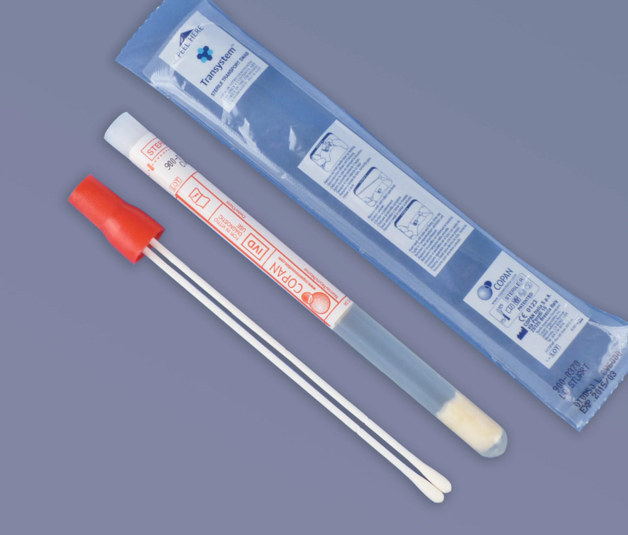
eswab |  |  |  |  | sterile swab (chose one)

 |  |  |  | (included in rapid strep kits)

